Summary of Primary
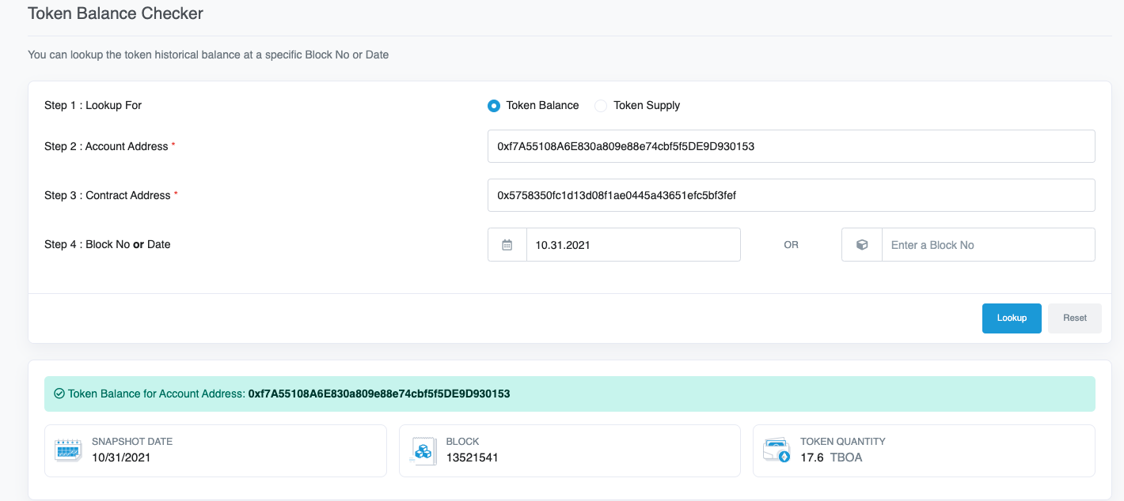
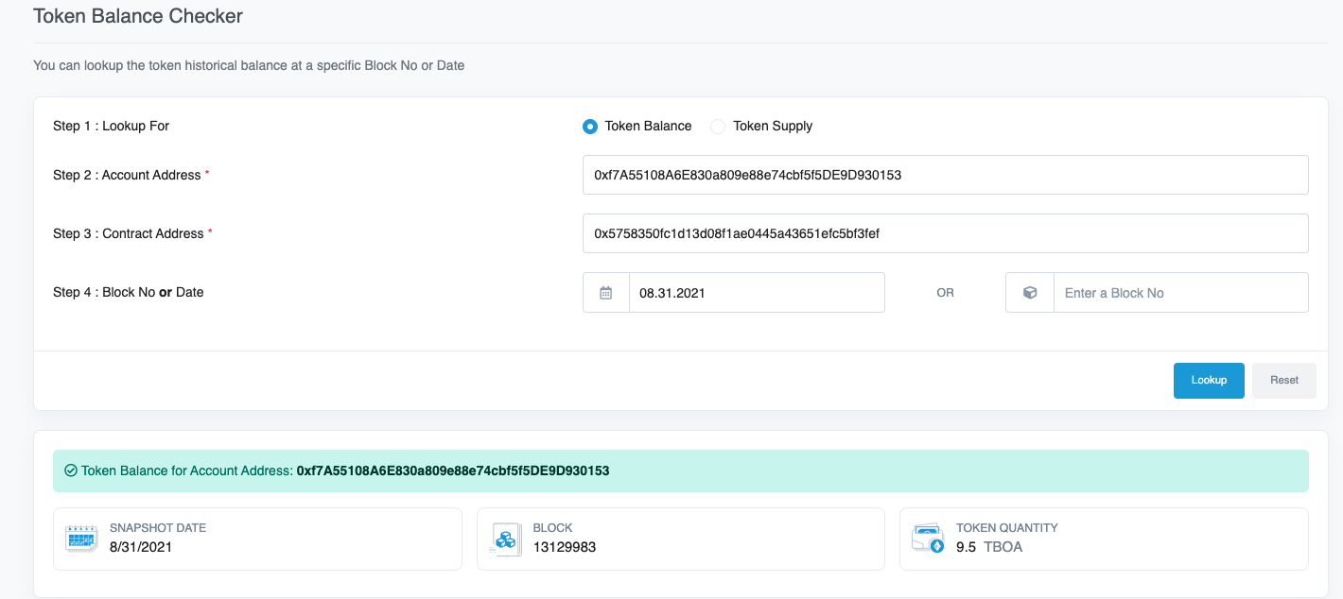
Art Blocks, Inc.
Summary of Primary Sales
FY 2021

 | **NOTE: The below table summarizes the ETH deposited into wallet 0x4666fd1f89576e2d6fb3f2ecec5eefd3e1ba6b59

 | Project | Release Date | Type | Quantity | ETH Deposited to Artist Wallet | Total ETH | Historical (1) | USD Revenue | Notes
 | The Blocks of Art | 2021-05-28 | Mint | 500 | 0.09000 | 44.91000 | $2,412.36 | $108,339.09

 | Alien Clock | 2021-07-15 | Mint 0 | 1 | - | - | - | $-
 |  | 2021-07-15 | Mint | 341 | 0.09000 | 30.69000 | $1,918.17 | $58,868.64
 |  | 2021-07-15 | Token | 20 | - | - | $- | $- | Tokens are in wallet 7660
 |  |  |  | 362 |  | 30.69000 |  | $58,868.64

 | Alien Insects | 2021-08-17 | Mint 0 | 1 | - | - | $- | $-
 |  | 2021-08-17 | Token | 74 | - | - | $- | $- | Token in wallet 0153 see below and tokens tab
 |  | 2021-08-18 | Token | 20 | - | - | $- | $- | Token in wallet 0153 see below and tokens tab
 |  | 2021-08-18 | Mint | 99 | 2.02500 | 200.47500 | $3,013.52 | $604,135.42
 |  | 2021-08-18 | Mint | 37 | 1.85625 | 68.68125 | $3,013.52 | $206,972.32
 |  | 2021-08-18 | Mint | 30 | 1.68750 | 50.62500 | $3,013.52 | $152,559.45
 |  | 2021-08-18 | Mint | 18 | 1.51875 | 27.33750 | $3,013.52 | $82,382.10
 |  | 2021-08-18 | Mint | 60 | 1.35000 | 81.00000 | $3,013.52 | $244,095.12
 |  | 2021-08-18 | Mint | 661 | 1.18125 | 780.80625 | $3,013.52 | $2,352,975.25
 |  |  |  | 1,000 |  | 1,208.92500 |  | $3,643,119.67

 | 444(4) | 2021-10-20 | Mint 0 | 1 | - | - | $- | $-
 |  | 2021-10-20 | Token | 80 | - | - | $- | $- | Token in wallet 0153 see below and tokens tab
 |  | 2021-10-21 | Mint | 39 | 0.74993 | 29.24708 | $4,062.76 | $118,823.85
 |  | 2021-10-21 | Mint | 324 | 0.29997 | 97.19028 | $4,062.76 | $394,860.78
 |  |  |  | 444 |  | 126.43736 |  | $513,684.63

 |  |  |  | 2,306 |  | 1,410.9624 |  | $4,324,012.02

 | (1) Exchange rate per Etherscan. Note that this rate maybe different if compared to the rate used by income owner or Art Blocks, Inc.

 | Link to projects: https://www.artblocks.io/user/0x4666fd1f89576e2d6fb3f2ecec5eefd3e1ba6b59?section=projects

 | TBOA tokens quantity in the primary wallet

